Sheet1
Sl. No. | Command | Purpose
1 | git version | To check the version of git installed
2 | exit | to exit gitbash
3 | pwd | present working directory
4 | mkdir 'D:/All Github Repos/UdemyGitStartedwithGitHub' | Make directory
5 | cd 'D:/All Github Repos/UdemyGitStartedwithGitHub' | Change directory
6 | rm ./basicGitcommands -rf | remove if already exisitng
7 | git config --global user.name "kishoreramanna" | Sets the name you want attached to your commit transactions | Just do this once
8 | git config --global user.email "kishorekr.2301@gmail.com" | Sets the email you want attached to your commit transactions | Just do this once
9 | git config --global color.ui auto | Enables helpful colorization of command line output
10 | git config --list | check the git configuration
11 | git init [project-name] | Creates a new local repository with the specified name
12 | git clone https://github.com/kishoreramanna/basicGitcommands.git | Downloads a remote repo project and its entire version history to your local
13 | ls | List all the files and folders
14 | cd datasciencecoursera/ | Change directory
15 |  | Git and git hub workflow life cycle | 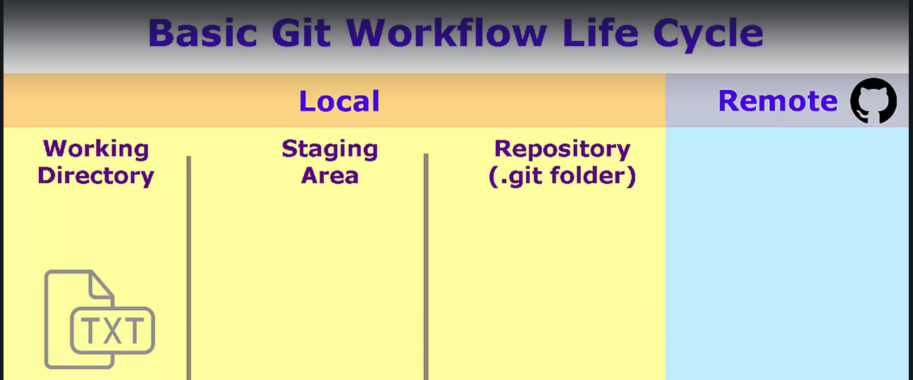
16 | git status | Which branch? Is your branch up to date with Github master branch??? Finally, Git tells us the working directory is clean. The working directory is where we do all the work and that Git monitors for changes. We use the "git status" command to see if there are any changes between the working directory, the staging area, our local repository, and our remote repository.
17 | echo "Test git quick start demo course from udemy" >> start.txt | create a quick file from git bash or you can create using right click new file
18 | ls | List all the files and folders
19 | cat start.txt | displays the contents of start.txt file
20 | git status | An untracked file is just a file in our working directory that hasn't been added to Git yet. Our change, that is our new file, is in our working directory. We haven't specifically told Git about it yet
21 | git add start.txt | added the start file to git local staging area or index
22 | git status | Git tells us there is a new file in the staging area,which Git describes as changes to be committed. So, now that our file is in the staging area awaiting the commit, we haven't committed anything yet. We can still back out the change from the staging area, and not impact Git's history in any way. The staging area is designed to allow you to build up several related changes, so they can be committed as a single atomic unit.
23 | git commit -m "Your commit message here" | added the start file to git local repository
24 | git status | Git tells us that we're back in a clean working directory state, and that our master branch is ahead of origin master by one commit. So, now the new file has been moved from the staging area, into the local repository. Since there are no other pending changes, once the commit happens Git marks the working directory as clean.
25 | git push origin master | Publishing Changes back to GitHub (push) This version of the "git push" command specifies the remote name origin, which was set up for us automatically when we cloned the repository from GitHub; and the name of the branch to push, which is master, since it is the only branch we have. Since you are making changes on your repository on GitHub, the "git push" command will prompt you for your GitHub username and password. Once the push command returns, then we can check the results in github

